Sheet1
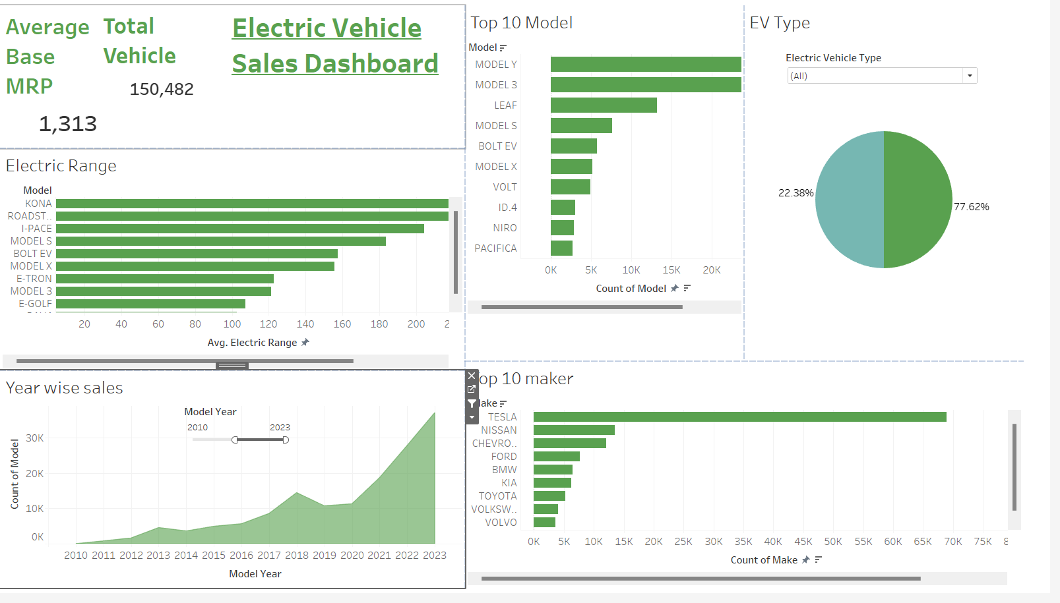
Tableau Link | https://public.tableau.com/app/profile/sayan.de4649/viz/ZSD_EV_SALES_DB/DB?publish=yes

